Common Modifications
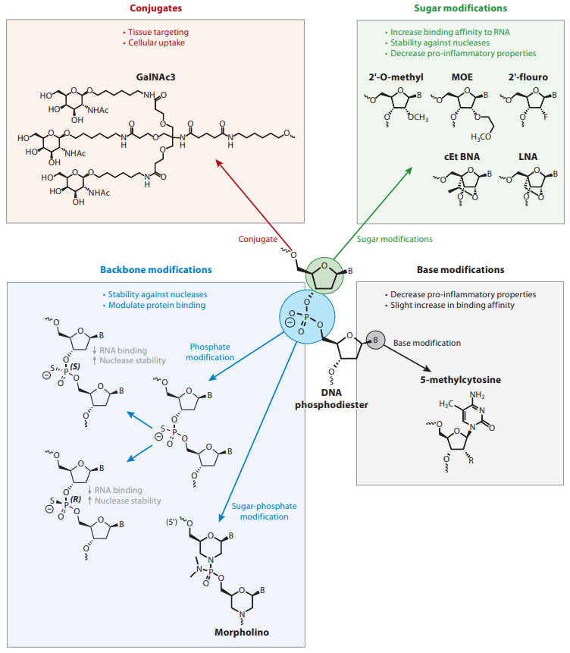
5' Fluorophores | 3' Fluorophores | 5' and 3' Bifluorophores | Modified Bases | Attachment Chemistry/ Linkers Modifications | Spacers Modifications | Degenerate Bases
5' 6-FAM | 3' 6-FAM | 5' 6-FAM, 3' BHQ1 | 2' Fluoro bases | Acrydite | C3 Spacer | B=C/G/T
5' Acrydite | 3' Acrydite | 5' 6-FAM, 3' BHQ2 | 2-O-Methyl Base | Aldehyde | C6 Spacer | D=A/G/T
5' Alexa Fluor 350 | 3' Alexa Fluor 350 | 5' 6-FAM, 3' Dabcyl | 2-Aminopurine | Alkyne | C12 Spacer | H=A/C/T
5' Alexa Fluor 405 | 3' Alexa Fluor 405 | 5' 6-FAM, 3' DBQ1 | 5-Aza-2'-dC | Amino | dSpacer | I=Universal Base
5' Alexa Fluor 430 | 3' Alexa Fluor 430 | 5' 6-FAM, 3' Eclipse | 5-Bromo dU | Azide | PC-linker | K=G/T
5' Alexa Fluor 488 | 3' Alexa Fluor 488 | 5' 6-FAM, 3' MGB | 5-Hydroxymethyl dC | Biotin | Spacer 18 | M=A/C
5' Alexa Fluor 532 | 3' Alexa Fluor 532 | 5' 6-FAM, 3' TAMRA-N | 5-Methyl dC | Carboxy | Spacer 9 | N=A/C/G/T
5' Alexa Fluor 555 | 3' Alexa Fluor 555 | 5' Alexa Fluor 488, 3' BHQ1 | 5-Nitroindole | COOH |  | R=A/G
5' Alexa Fluor 568 | 3' Alexa Fluor 568 | 5' Alexa Fluor 488, 3' BHQ2 | 8-Oxo deoxyguanosine | DBCO |  | S=C/G
5' Alexa Fluor 594 | 3' Alexa Fluor 594 | 5' Alexa Fluor 488, 3' Dabcyl | deoxylnosine | Digoxin |  | V=A/C/G
5' Alexa Fluor 647 | 3' Alexa Fluor 647 | 5' Alexa Fluor 488, 3' MGB | DeoxyUridine | Maleimide |  | W=A/T
5' Alexa Fluor 680 | 3' Alexa Fluor 680 | 5' AMCA, 3' BHQ1 | Dideoxycytidine | Thiol |  | Y=C/T
5' AMCA | 3' AMCA | 5' AMCA, 3' Dabcyl | Inverted dG
5' Atto 425 | 3' AquaPhluor 593 | 5' AMCA, 3' Eclipse | Inverted dT
5' ATTO 430LS | 3' AquaPhluor 639 | 5' AMCA, 3' MGB | LNA
5' ATTO 490LS | 3' Atto 425 | 5' ATTO 425, 3' BHQ1 | N6 Methyl dA
5' ATTO 550 | 3' ATTO 550 | 5' ATTO 425, 3' Dabcyl | phosphorothioate
5' ATTO 565 | 3' ATTO 565 | 5' ATTO 425, 3' Eclipse | Phosphorylation
5' ATTO 590 | 3' ATTO 590 | 5' ATTO 425, 3' MGB | Pyrrolo-dC
5' ATTO 633 | 3' ATTO 647N | 5' ATTO 550, 3' BHQ2
5' ATTO 647N | 3' ATTO Rho101 | 5' ATTO 550, 3' Dabcyl
5' ATTO Rho101 | 3' Azide(N3) | 5' ATTO 550, 3' Eclipse
5' Azide(N3) | 3' BBQ650 | 5' ATTO 550, 3' MGB
5' BBQ650 | 3' BHQ1 | 5' ATTO 565, 3' BHQ2
5' BHQ1 | 3' BHQ2 | 5' ATTO 565, 3' Dabcyl
5' BHQ2 | 3' BHQ3 | 5' ATTO 565, 3' Eclipse
5' BHQ3(NE) | 3' Biotin | 5' ATTO 565, 3' MGB
5' Biotin | 3' Biotin-TEG | 5' ATTO 590, 3' BHQ2
5' Biotin-TEG | 3' BODIPY FL | 5' ATTO 590, 3' Dabcyl
5' BODIPY FL | 3' BODIPY R6G | 5' ATTO 590, 3' Eclipse
5' BODIPY R6G | 3' C3 Spacer | 5' ATTO 590, 3' MGB
5' C18 | 3' C6 Spacer | 5' CY3, 3' BHQ2
5' C3 Spacer | 3' CHCH | 5' CY3, 3' Dabcyl-N
5' CHCH(Hexyne) | 3' Cholesteryl | 5' CY3, 3' MGB
5' CHO | 3' Cholesteryl-TEG | 5' CY3, 3' TAMRA-N
5' Cholesteryl | 3' Cy3 | 5' CY5, 3' BHQ2
5' Cholesteryl-TEG | 3' Cy5 | 5' CY5, 3' BHQ3
5' COOH | 3' Cy5(Hydrophilic) | 5' CY5, 3' Dabcyl
5' Cy3 | 3' CY5.5 | 5' CY5, 3' Eclipse
5' Cy5 | 3' Cy7 | 5' CY5, 3' MGB
5' Cy5(Hydrophilic) | 3' Dabcyl | 5' CY5.5, 3' BHQ2
Figure.1 Common chemical modifications used in antisense drugs and their properties.
Bennett CF. Therapeutic Antisense Oligonucleotides Are Coming of Age. Annu Rev Med. 2019;70:307-321.
5' CY5.5 | 3' DBCO | 5' CY5.5, 3' BHQ3
5' Cy7 | 3' ddC | 5' HEX, 3' BHQ1
5' Dabcyl | 3' Desthio Biotin-TEG | 5' HEX, 3' BHQ2
5' DBCO | 3' -dG-Q | 5' HEX, 3' Dabcyl
5' DBCO-TEG | 3' Dig | 5' HEX, 3' DBQ1
5' Desthio Biotin | 3' Dithiol | 5' HEX, 3' Eclipse
5' Desthio Biotin-TEG | 3' -dT-Q | 5' HEX, 3' MGB
5' Dig | 3' Eclipse | 5' HEX, 3' TAMRA
5' Dithiol | 3' Ferrocene | 5' JOE, 3' BHQ1
5' Dual Biotin | 3' HEX | 5' JOE, 3' BHQ2
5' Eclipse | 3' HS-SH C3 | 5' JOE, 3' Dabcyl-N
5' Ferrocene | 3' HS-SH C6 | 5' JOE, 3' DBQ1
5' HEX | 3' Inverted dT | 5' JOE, 3' Eclipse
5' HS-SH C6 | 3' IR 650 | 5' JOE, 3' MGB
5' IR 650 | 3' IR 750 | 5' JOE, 3' TAMRA-N
5' IR 750 | 3' JOE | 5' NED, 3' BHQ2
5' JOE | 3' Maleimide | 5' NED, 3' Dabcyl
5' Maleimide | 3' MB 633 | 5' NED, 3' DBQ2
5' MB 633 | 3' Methylene Blue | 5' NED, 3' Eclipse
5' Methylene Blue | 3' MGB | 5' NED, 3' MGB
5' NED | 3' NH2 C6 | 5' Quasar 670, 3' BHQ2
5' NH2 C12 | 3' NH2 C6 dT | 5' Quasar 670, 3' MGB
5' NH2 C6 | 3' NH2 C7 | 5' ROX, 3' BHQ2
5' Oregon Green 488 | 3' Oregon Green 488 | 5' ROX, 3' Dabcyl
5' P | 3' P | 5' ROX, 3' DBQ2
5' Pacific Blue | 3' Pacific Blue | 5' ROX, 3' Eclipse
5' Pyrene | 3' Puromycin | 5' ROX, 3' MGB
5' Quasar 570 | 3' Pyrene | 5' SF565, 3' BHQ2
5' Quasar 670 | 3' Quasar 570 | 5' SF565, 3' DBQ2
5' ROX | 3' Quasar 670 | 5' SF565, 3' MGB
5' Ru | 3' ROX | 5' SF670, 3' BBQ650
5' SF565 | 3' Ru | 5' SF670, 3' BHQ2
5' SF670 | 3' SF565 | 5' SF670, 3' BHQ3
5' SF695 | 3' SF670 | 5' SF670, 3' DBQ3
5' SH C6 | 3' SF695 | 5' SF670, 3' MGB
5' Spacer 18 | 3' SH C3 | 5' SF695, 3' BBQ650
5' SPDP | 3' SH C6 | 5' SF695, 3' BHQ2
5' SX610 | 3' SPDP | 5' SF695, 3' BHQ3
5' SX670 | 3' SX610 | 5' SF695, 3' DBQ3
5' Symmetric | 3' SX670 | 5' SF695, 3' MGB
5' TAMRA | 3' TAMRA-N | 5' SX670, 3' BHQ3
5' TET | 3' TET | 5' SX670, 3' DBQ3
5' Texas Red | 3' Texas Red | 5' SX670, 3' MGB
5' Trebler | 3' TriGalNAc | 5' TAMRA, 3' BHQ2
5' triple Biotin | 3' Val-Cit | 5' TAMRA, 3' Dabcyl
5' Triple HS-SH | 3' VIC | 5' TAMRA, 3' DBQ2
5' triple SH | 3' Yakima Yellow | 5' TAMRA, 3' Eclipse
5' Val-Cit |  | 5' TAMRA, 3' MGB
5' VIC |  | 5' TET, 3' BHQ1
 |  | 5' TET, 3' BHQ2
 |  | 5' TET, 3' Dabcyl
 |  | 5' TET, 3' DBQ1
 |  | 5' TET, 3' Eclipse
 |  | 5' TET, 3' MGB
 |  | 5' TET, 3' TAMRA
 |  | 5' Texas Red, 3' BHQ2
 |  | 5' Texas Red, 3' Dabcyl
 |  | 5' Texas Red, 3' DBQ2
 |  | 5' Texas Red, 3' Eclipse
 |  | 5' Texas Red, 3' MGB
 |  | 5' VIC, 3' BHQ1
 |  | 5' VIC, 3' BHQ2
 |  | 5' VIC, 3' Dabcyl
 |  | 5' VIC, 3' DBQ1
 |  | 5' VIC, 3' Eclipse
 |  | 5' VIC, 3' MGB
 |  | 5' VIC, 3' TAMRA-N

